Indices

 | Iraq Stock Exchange
 | Bulletin No (227)

 | ISX Trading Indices of Thursday 18/12/2025

 | Traded Volume and OTC |  | 420,791,957 |  | Traded Value and OTC |  | 628,300,054 |  | Traders | 885

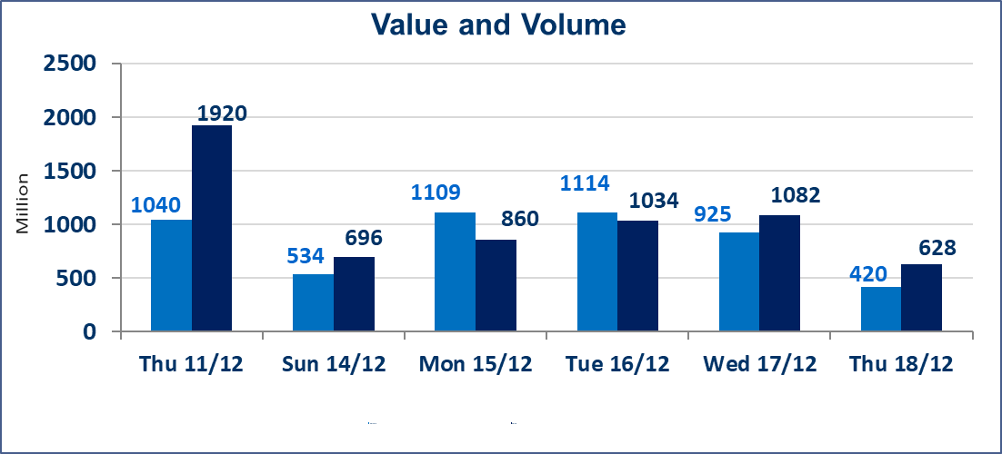
 | ISX Index 60 |  |  | 969.53 | ISX Index 15 |  |  | 1187.97
 | Previous ISX Index60 |  |  | 971.21 | Previous ISX Index15 |  |  | 1192.30
 | Change % |  |  | -0.17 | Change % |  |  | -0.36
 | Change |  |  | -1.68 | Change |  |  | -4.33

 | Listed Companies | 104 | OTC | 15 | Non Traded listed | 43 | OTC | 12
 | Traded Listed Companies | 45 | OTC | 1 | Higher Companies |  |  | 10
 | GAM Companies |  |  | 6 | Lower Companies |  |  | 19
 | Suspended Companies |  |  | 10
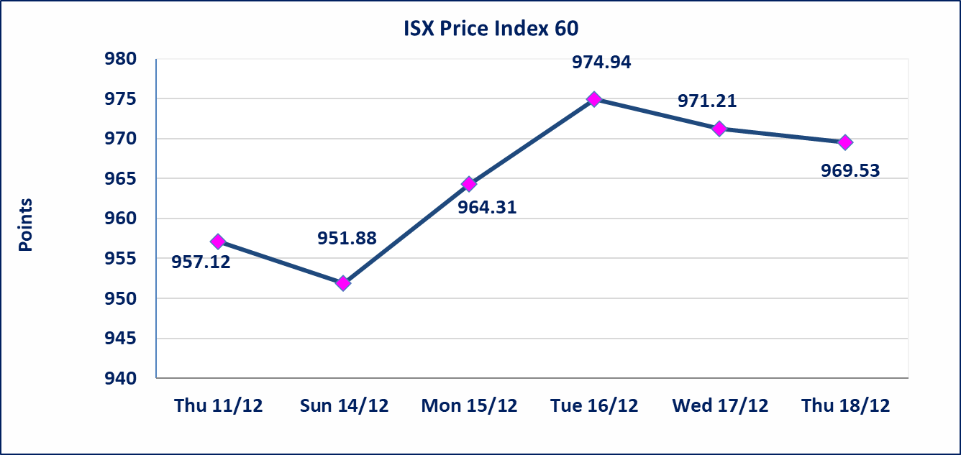
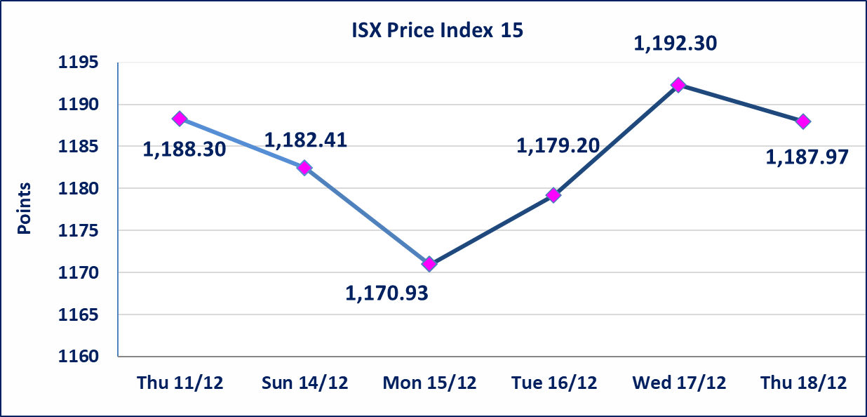

Al-Alwiya P.O . 3607 Mobile: 07711211522 - 07270094594 - 07834000034 E-mail: info-isx@isx-iq.net Web site:www.isx-iq.net

Top 5
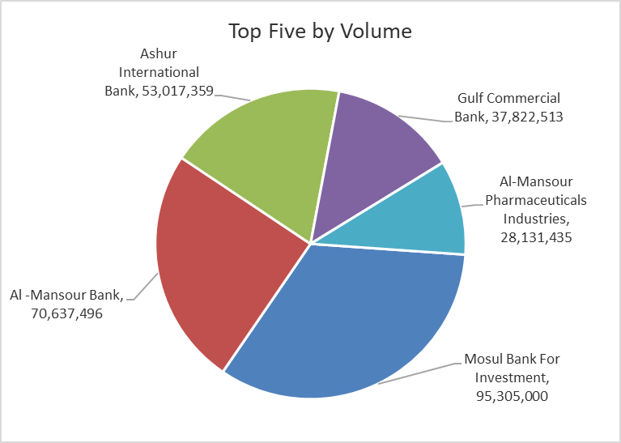
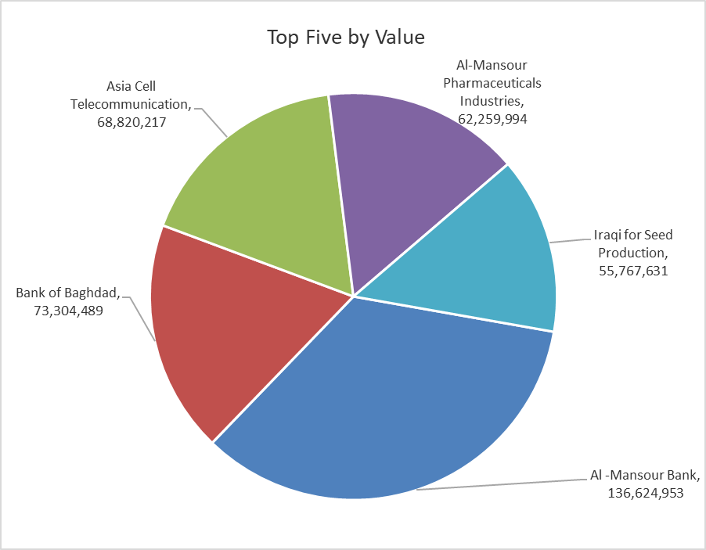
ISX top ganing and losing companies
Thursday 18/12/2025
 | Gainers |  |  |  | Losers
 | Company Name | Closing Price | Change (%) | Traded Volume | Company Name | Closing Price | Change (%) | Traded Volume
 | International Islamic Bank | 0.280 | 16.67 | 601,949 | Rehab Karbalaa | 0.600 | -14.29 | 2,000
 | Al-Khatam Telecom | 3.560 | 14.84 | 5,470,000 | Mosul Bank For Investment | 0.170 | -5.56 | 95,305,000
 | Modern for Animal Production | 0.400 | 8.11 | 671,977 | Economy Bank | 0.240 | -4.00 | 19,495,764
 | Metallic Industries and Bicycles | 2.100 | 7.69 | 1,954,071 | Modern Construction Materials | 0.720 | -4.00 | 640,019
 | Electronic Industry | 2.310 | 5.00 | 8,155,760 | Kharkh Tour Amuzement City | 4.100 | -3.53 | 843,692
 | The most active companies in term of traded volume and value

 | Traded Volume |  |  |  | Traded Value
 | Company Name | Closing Price | Change (%) | Traded Volume | Company Name | Closing Price | Change (%) | Traded Value
 | Mosul Bank For Investment | 0.170 | -5.56 | 95,305,000 | Al -Mansour Bank | 1.940 | 0.52 | 136,624,953
 | Al -Mansour Bank | 1.940 | 0.52 | 70,637,496 | Bank of Baghdad | 3.450 | 0.00 | 73,304,489
 | Ashur International Bank | 0.300 | -3.23 | 53,017,359 | Asia Cell Telecommunication | 13.300 | 0.00 | 68,820,217
 | Gulf Commercial Bank | 0.290 | 0.00 | 37,822,513 | Al-Mansour Pharmaceuticals Industries | 2.210 | -0.90 | 62,259,994
 | Al-Mansour Pharmaceuticals Industries | 2.210 | -0.90 | 28,131,435 | Iraqi for Seed Production | 5.060 | -0.59 | 55,767,631

OTC

Iraq Stock Exchange

Thursday 18/12/2025
OTC Platform Trading Bulletin No (227)
Company Name | Code | highest price | lowest price | Average price | No.of Trades | Traded Volume | Traded Value
Banks Sector
Al-Warka Bank | BWAI | 0.070 | 0.070 | 0.070 | 1 | 8,868,615 | 620,803
Total Of Banks Sector |  |  |  |  | 1 | 8,868,615 | 620,803
Total |  |  |  |  | 1 | 8,868,615 | 620,803

Not Trading OTC Companies
Company Name |  |  | Code |  | Previous Average price
Banks Sector
Al-Sanam Islamic Bank |  |  | BSAN |  | 3.000
Hammurabi Commercial Bank |  |  | BHAM |  | ـــــــــــــــــــــــــــــــــــ
Industrial Sector
Kirkuk producing constructional materials |  |  | IKFP |  | 1.260
Money Service Sector
Rabee Securities |  |  | FRSE |  | 9.500
Karmal Brokerage |  |  | FKSX |  | 10.000
Ishtar Gate for e-Paymant |  |  | FISH |  | 1.000
Sama Baghdad Exchange |  |  | FSBE |  | ـــــــــــــــــــــــــــــــــــ
Iraqi Deposit Insurance Corporation |  |  | FIDI |  | ـــــــــــــــــــــــــــــــــــ
Insurance Sector
Kurdistan Insurance |  |  | NKUI |  | ـــــــــــــــــــــــــــــــــــ
Al Badia Insurance |  |  | NBAD |  | ـــــــــــــــــــــــــــــــــــ
Shatt Al Arab Insurance |  |  | NSHA |  | 1.000
Dilina Insurance Company |  |  | NDIL |  | ـــــــــــــــــــــــــــــــــــ

Non Iraqis

Iraq Stock Exchange
Non Iraqis' Bulletin Thursday Dec 18 2025
Regular Market

Non Iraqi Trading of Regular Market (Buy)
Company Names | Code | No.of trades | Traded Shares | Trading Volume
Telecommunication Sector
Asia cell | TASC | 1 | 41,680 | 554,344
Total Telecommunication sector |  | 1 | 41,680 | 554,344
Grand Total |  | 1 | 41,680 | 554,344

Non Iraqi Trading of Undisclosed Platform (Sell)
Company Names | Code | No.of trades | Traded Shares | Trading Volume
Industry Sector
Al -HiLal Industries | IHLI | 2 | 525,000 | 892,500
Total Industry sector |  | 2 | 525,000 | 892,500
Grand Total |  | 2 | 525,000 | 892,500

